1. Title Page
Data Analysis

Project Name: Instacart Data Analysis
Date: October 2022
Analyst Name: Maya Kirkby

Contents:
Population Flow
Consistency checks
Wrangling steps
Column derivations
Visualizations
Recommendations

Citation:
“The Instacart Online Grocery Shopping Dataset 2017”, Accessed from https://www.instacart.com/datasets/grocery-shopping-2017 on 9/20/2022

2. Population Flow
Title page

Population flow

Exclusion flag
Condition: max_order <
Obervations to be removed:
Final total count of order_products_all: 32399732

Orders_products_combined
Orders_products_merged
Orders_products_all

Total: 32399732
Total: 32434489
Total: 32399732

1.) The grey boxes in the first row of the population flow represent the original data sets as they were when you downloaded them. In the Total fields you need to add the count of the rows when you imported the data set into Jupyter.
2.) The second row of boxes (coloured) represents the data sets after you manipulated them, e.g., removed missing values and duplicates. In the Total fields you need to add the count of the rows after conducting these operations. This offers a visual oveview of how the data flows throughout the data consistency checks.
3.) The third row, where also the arrows are coloured, represents the merges you performed between the datasets. In the Total fields you need to add the count of the rows in the merged datasets, so that you end up with the final dataset (in the red box). Keep in mind the final dataset should be without exclusions (based on the exclusion flag).

3. Consistency checks
 |  |  |  | Title page
Consistency checks

Dataset | Missing values | Missing values treatment | Duplicates
orders | yes | kept | none found
products | yes | removed | found and removed
orders_products_prior | no |  | none found
customers | no |  | none found

4. Wrangling steps
 |  |  |  | Title page
Wrangling steps

Columns dropped | Columns renamed | Columns' type changed | Comment/Reason
orders: eval_set |  |  | it is not useful to the data analysis
 |  | orders: order_id changed to string | we will not perform arithmetic with these numbers
 |  | orders:order_day_of_week changed to string | we will not perform arithmetic with these numbers
 | orders: order_dow changed to order_day_of_week |  | the original name was not intuitive
 | customers: First Name changed to first_name |  | the original name did not match the format of the other columns
 | customers: Surnam changed to last_name |  | the original name was spelled wrong
 | customers: Gender changed to gender |  | the original name did not match the format of the other columns
 | customers: STATE changed to state |  | the original name did not match the format of the other columns
 | customers: Age changed to age |  | the original name did not match the format of the other columns
 | customers: n_dependants changed to no_of_dependents |  | the original name was not intuitive
 | customers: fam_status changed to marital_status |  | the original name was not intuitive
 |  | customers: first_name changed to string | it was a mixed type column
final dataset: first_name |  |  | potential privacy issue
final dataset: last_name |  |  | potential privacy issue

5. Column derivations
 |  |  |  | Title page

Column derivations and aggregations

In this tab you should add tables below that the frequences of flags/label variables that you produced after deriving them. NB: don't do this for continuous variables, only for flags.
loyalty flag: based on the maximum amount of orders a user has made
type of spender: based on the mean of the prices of goods that a user has bought
order frequency flag: based on how frequently the customer places orders
age flag: based on a customer's age
income flag: based on a customer's income
alcohol flag: based on whether an order was for alcohol or not
family flag: based on whether or not a customer has dependents
Dataset | New column | Column/s it was derived from | Conditions
ords_prods_merge | busiest_days | order_day_of_week | busiest days = the two most frequent days in which orders are placed least busy days = the two least frequent days in which orders are placed regularly busy days = the rest of the days
ords_prods_merge | busiest_period_of_day | order_hour_of_day | most orders = the six most frequent hours of the day in which orders are placed fewest_orders = the six least frequent hours of the day in which orders are placed average orders = the rest of the hours of the day

6. Visualizations
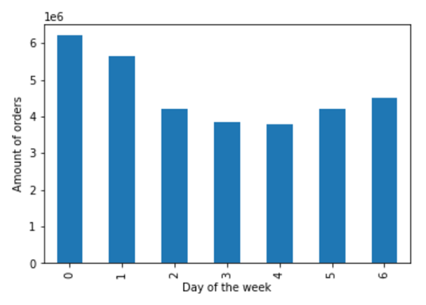
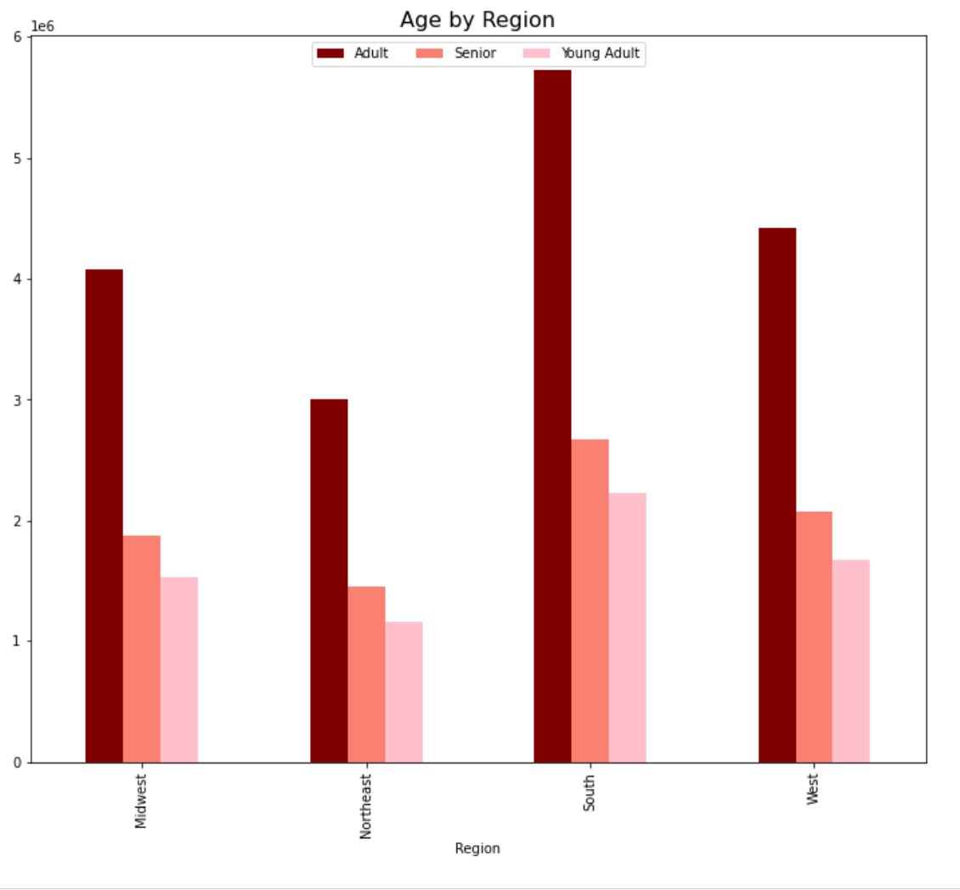
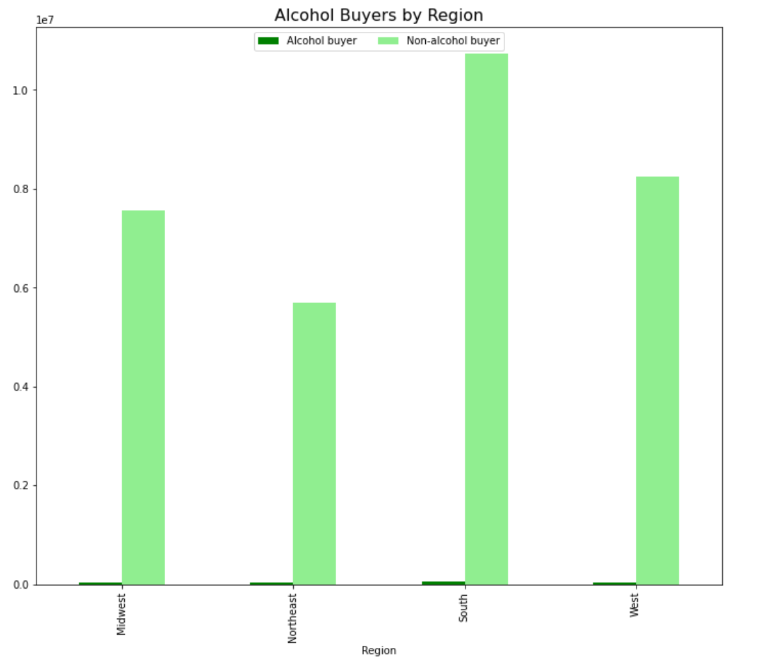
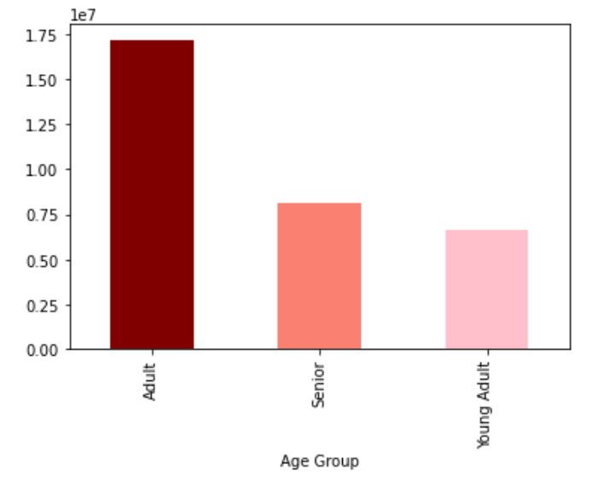
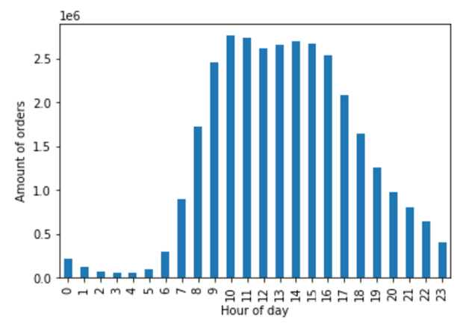
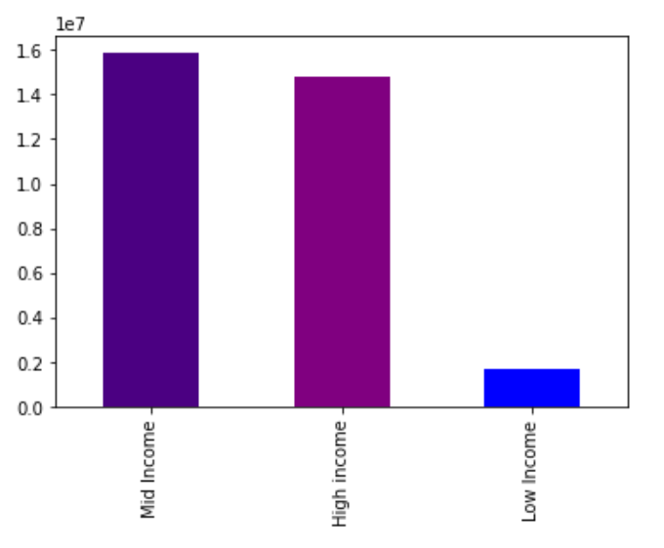
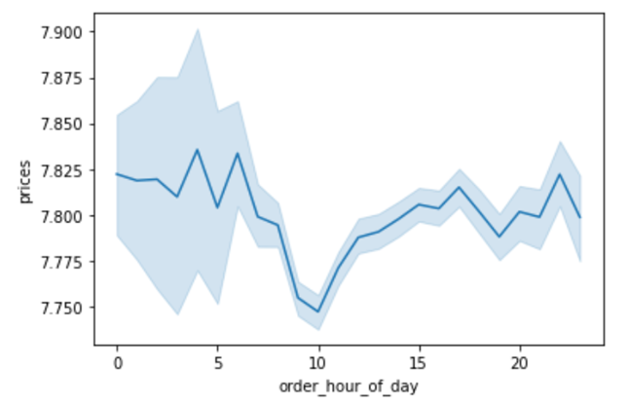
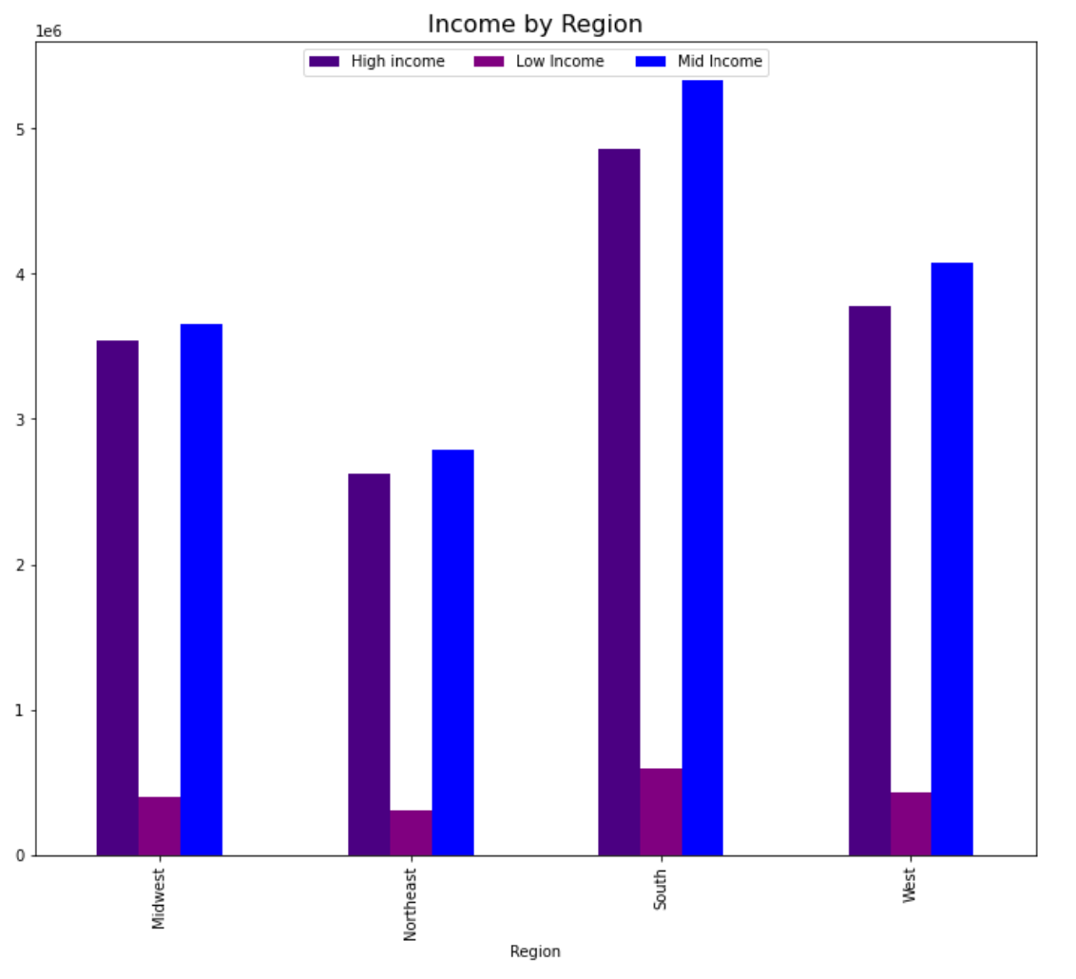
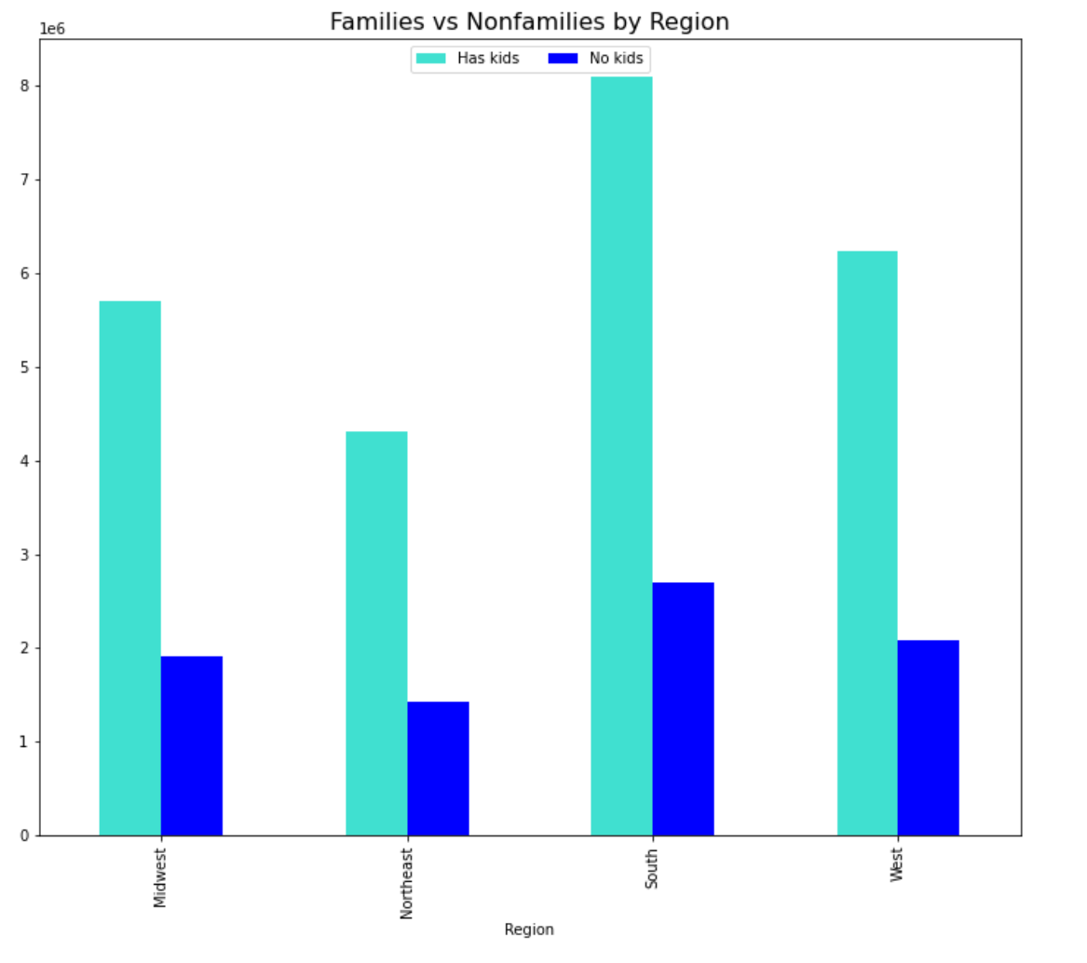
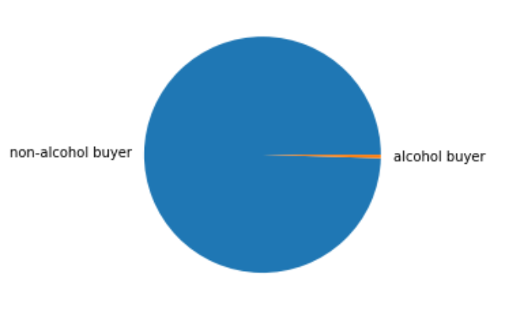
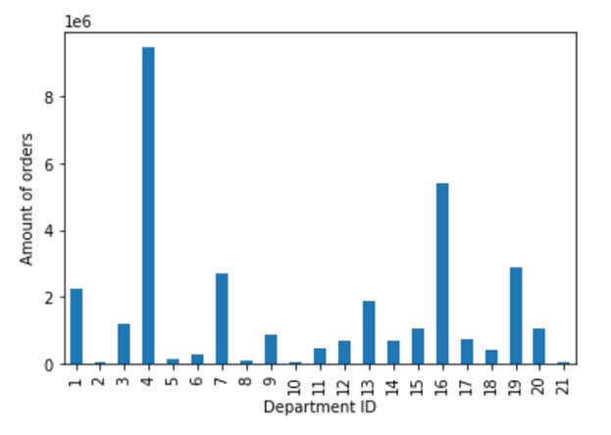
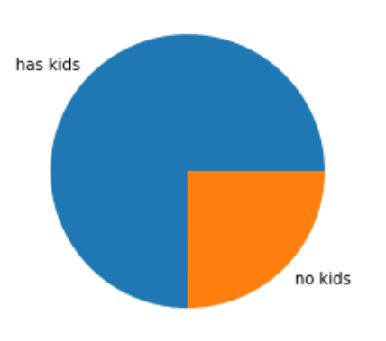
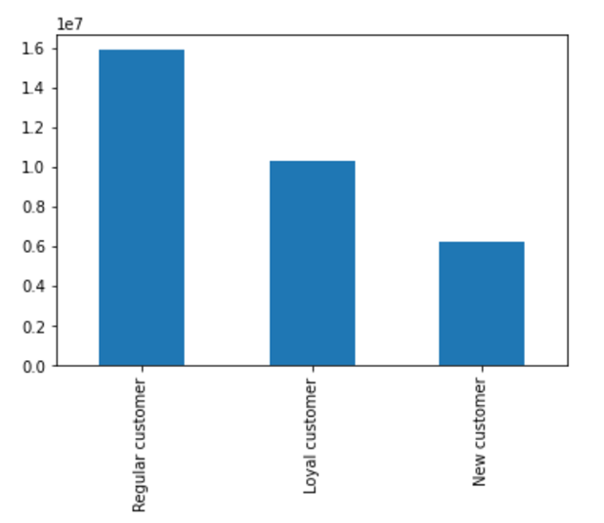
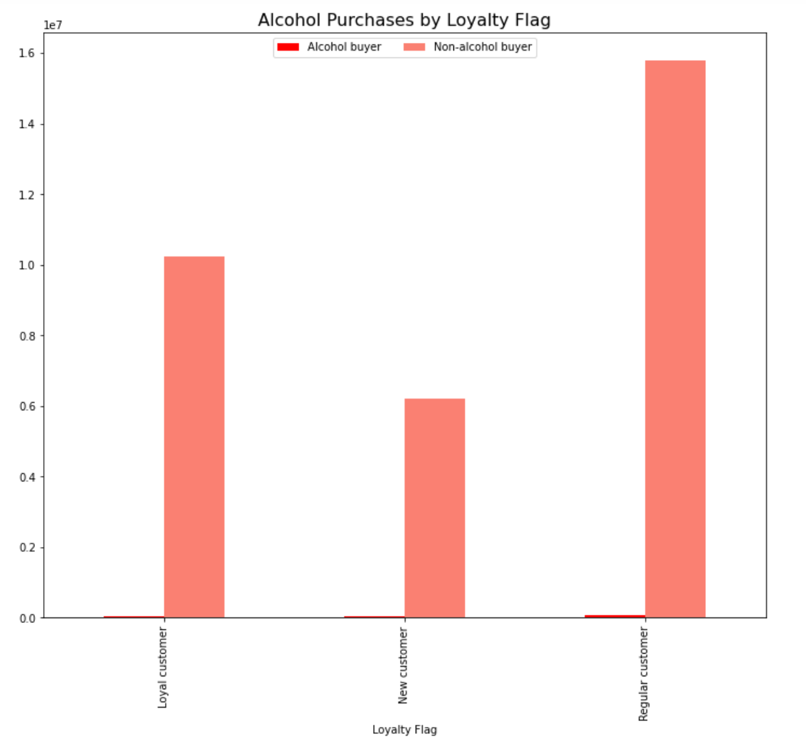
Title page

Visualisations

In this tab you should include all the visualtions from Exercises 4.9 and 4.10, alongside the questions from the project brief that they answer. Include any commentary on the relationship between different variables.

7. Recommendations
 |  |  |  |  | Title page

Recommendations

In this tab you should include any recommendations you would made to Instcart in terms of their marketing strategy based on the questions posed in the brief. Every key question has been covered in the Tasks of the Exercises - here you need to add an item - a visualisation or table/crosstable that is showing the answer in the data, acompanied by a comment from you. Please, list the questions below and add the answer underneath.

'Day of the week' Key
0 - Saturday
1 - Sunday
2 - Monday
3 - Tuesday
4 - Wednesday
5 - Thursday
6 - Friday
The sales team needs to know what the busiest days of the week and hours of the day are (i.e., the days and times with the most orders) in order to schedule ads at times when there are fewer orders. |  |  | The least busy days of the week are Tuesday and Wednesday, and the least busy hours of the day are from midnight to 6am.
 |  | 
They also want to know whether there are particular times of the day when people spend the most money, as this might inform the type of products they advertise at these times. |  | People spend the most money during the early morning hours (4-7am) and in the evening.
 | 
Are there certain types of products that are more popular than others? The marketing and sales teams want to know which departments have the highest frequency of product orders. |  |  | The produce, dairy/eggs, snacks, and beverages departments have the most sales
 |  | 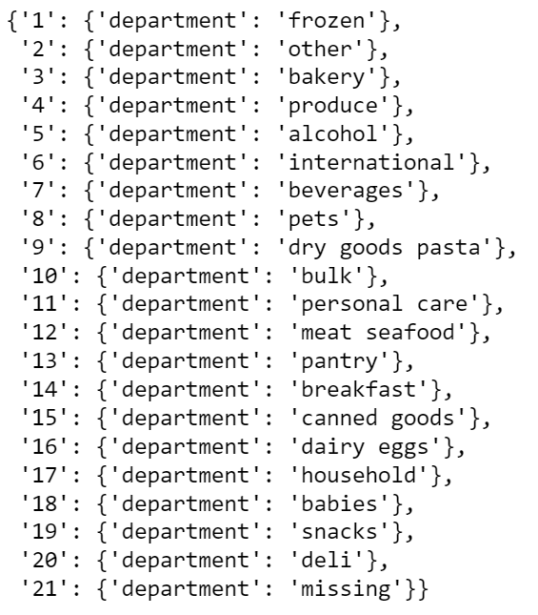
What’s the distribution among users in regards to their brand loyalty (i.e., how often do they return to Instacart)? |  | Regular customers are the most frequent type of customer, followed by loyal and then new.
 | 
Are there differences in ordering habits based on a customer’s loyalty status? |  | Customers tend to make similar purchases regarding alcohol regardless of their loyalty level

Are there differences in ordering habits based on a customer’s region?
 |  |  |  | 
Is there a connection between age and family status in terms of ordering habits?
 | 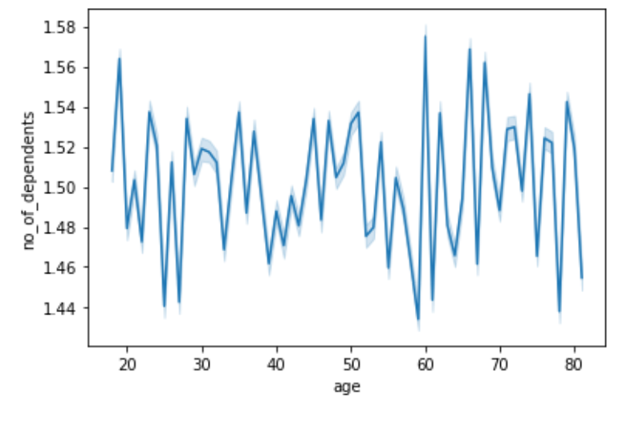
What different classifications does the demographic information suggest? Age? Income? Certain types of goods? Family status? | Typically, a customer is an adult between 30 and 65 years old, has at least one kid, lives in the South, does not buy alcohol, and makes a moderate income.

What differences can you find in ordering habits of different customer profiles? Consider the price of orders, the frequency of orders, the products customers are ordering, and anything else you can think of. | Most frequently, customers do their shopping on the weekend, during the early morning, and at night. They typically purchase produce, dairy/eggs, snacks, and beverages. Most customers are part of the regular customers group, which means they have made between 10 and 40 orders.

